Sheet1
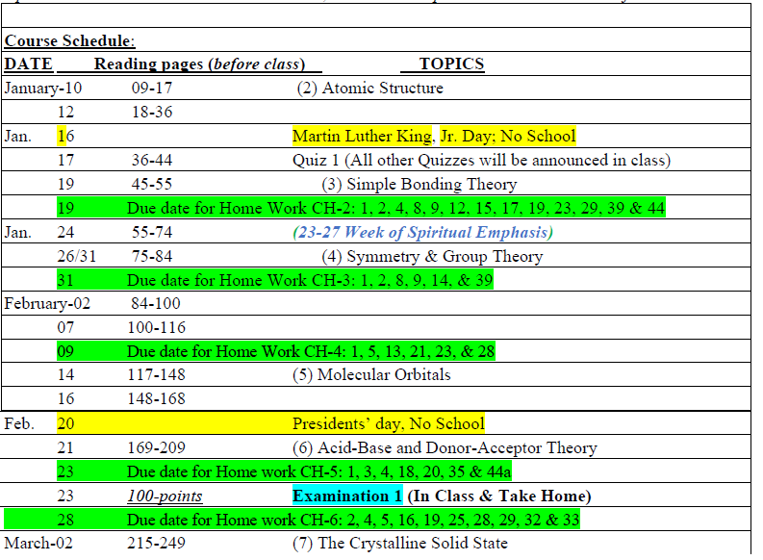
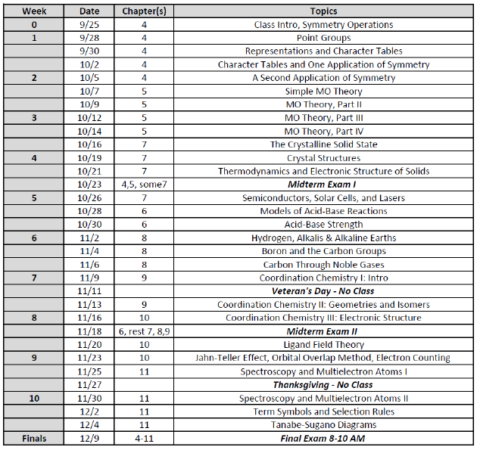
CHEM415: Adv. Inorg. Chem |  |  |  | Spring 2025
 | Class meets four hrs per week. |  |  | V1.0 | Section | Problems | Probs due | CLO
1 | 13-Jan-25 | M | Ch2-Atomic Theory | Quantum Intro (Shield, Wavefunct) |  | Ch2 prob | 24-Jan-25
 | 15-Jan-25 | W | Ch3-Simple Bonding Theory | Adv. VSEPR |  | Ch3 prob | 31-Jan-25 |  | Needed(?) | Periodic Properties
 | 17-Jan-25 | F |  | Ligand Close Packing, H Bonding
2 | 20-Jan-25 | M | No School - MLK, Jr Day
 | 22-Jan-25 | W | Ch4- Symmetry & Group Theory | Symm Ops | 4.0-4.2.0 | Ch4 Prob | 7-Feb-25
 | 24-Jan-25 | F |  | Point Groups | 4.2.1-4.2.2
3 | 27-Jan-25 | M |  | Matricies & Char Tables |  |  |  |  | Week of Prayer
 | 29-Jan-25 | W |  | App of Symm: Chirality, Molec Vibs |  |  |  |  | Week of Prayer
 | 31-Jan-25 | F |  | App of Symm: Molec Vibs |  |  |  |  | Week of Prayer
4 | 3-Feb-25 | M | Ch5-Molec Orbs | AOs to MOs |  | Ch5 Prob | 14-Feb-25
 | 5-Feb-25 | W |  | MO Theory 1 (Diatomics)
 | 7-Feb-25 | F |  | MO Theory 2 (SALCs)
5 | 10-Feb-25 | M |  | MO Theory 3
 | 12-Feb-25 | W |  | MO Theory 4
 | 14-Feb-25 | F | Exam 1: In class & take-home
6 | 17-Feb-25 | M | No School - President's Day
 | 19-Feb-25 | W | Ch6-Acid-Base/Donor-Acceptor | Brønsted-Lowry; Lewis & MO |  | Ch6 prob | 28-Feb-25
 | 21-Feb-25 | F |  | Lewis; Hard-Soft Acid-Base |  | Take home due
7 | 24-Feb-25 | M | Ch7-Crystaline Solid | Structures & Thermodynamics |  | Ch7 prob | 28-Feb-25
 | 26-Feb-25 | W |  | Band Structure, Superconductivity
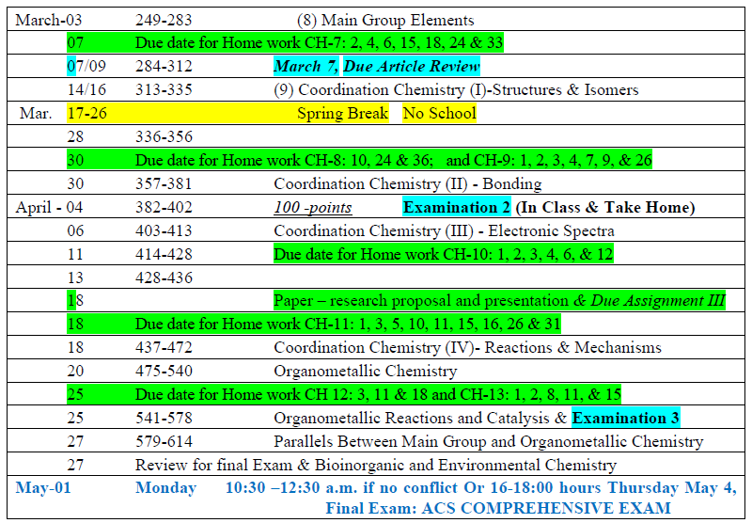
 | 28-Feb-25 | F | Ch8-Main Group Elements | H, Groups 1,2,13,14 |  | Ch8 prob | 7-Mar-25
8 | 3-Mar-25 | M |  | Groups 15-18
 | 5-Mar-25 | W | Ch9-Coord Chem (1) | Nomenclature, Isomers |  | Ch9 prob | 14-Mar-25
 | 7-Mar-25 | F |  | Isomers, Structures
9 | 10-Mar-25 | M |  | Structures, Coord Number
 | 12-Mar-25 | W | Exam 2: In class (take home after break)
 | 14-Mar-25 | F | No School-Spring Break
 | 17-Mar-25 | M | Spring Break
 | 19-Mar-25 | W | Spring Break
 | 21-Mar-25 | F | Spring Break
10 | 24-Mar-25 | M | Ch10-Coord Chem (2) | LFT, AOM |  | Ch10 prob | 4-Apr-25
 | 26-Mar-25 | W |  | Jahn-Teller, 4- and 6-coord
 | 28-Mar-25 | F | Ch-11 Coord Chem (3) | Spin Orbit |  | Ch11 prob | 4-Apr-25
11 | 31-Mar-25 | M |  | Electr Spectra; Tanabe-Sugano
 | 2-Apr-25 | W | Ch-12 Coord Chem (4) | Inert & Labile, DIA |  | Ch12 prob | 11-Apr-25
 | 4-Apr-25 | F |  | More Reactions
12 | 7-Apr-25 | M | Ch-13 Organometallic | Introduction |  | Ch13 prob | 18-Apr-25
 | 9-Apr-25 | W |  | 18 Electrons; Pi bonding
 | 11-Apr-25 | F |  | Pi-bonding; Characterization
13 | 14-Apr-25 | M | Ch-14 Organometallic Reactions | Gain/Loss of Ligands |  | Ch14 prob | 25-Apr-25
 | 16-Apr-25 | W |  | Modication of Ligands
 | 18-Apr-25 | F | Ch-15 Metal-Metal Bonds |  |  |  | none
14 | 21-Apr-25 | M | Ch-16 Bioinorganic | Bioinorg-1 |  |  | none
 | 23-Apr-25 | W | Exam #3 (TBD) | Bioinorg-2
 | 25-Apr-25 | F | No School-Dead Friday
 | 29-Apr-25 | Tu | Final Exam Tues 10:30-12:30 ACS Comprehensive Inorganic Chemistry Exam (uses MWF 11:30 block)

